Blad1
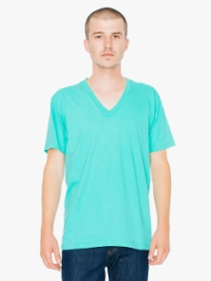

 | American Apparel
Kleur | AMA 2456 T-shirt V-neck fine jersey for him | XS | S | M | L | XL | XXL
MI-871 | 339 Mint | 72 | 72 | 69 | 71 | 72 | 36 |  | TTL
 |  | 72 | 72 | 69 | 71 | 72 | 36 |  | 392

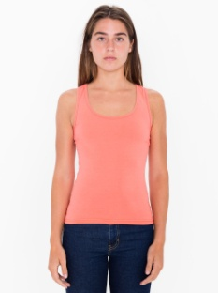
 | American Apparel
Kleur | AMA 8308 Tanktop cot/spandex for her | XS | S | M | L | XL | XXL
BK-Z36 | 6 Black | 26 | 29 | 23 | 23 | 24 | 34
CO-Z34 | 178 Coral | 33 | 35 | 34 | 34 | 35 | 35
HG-18Z | CG5 Heather Grey | 33 | 33 | 33 | 34 | 34 | 34
RD-Z63 | 200 Red | 0 | 25 | 33 | 33 | 34 | 35
WH-Z00 | White | 29 | 33 | 29 | 32 | 34 | 35 |  | TTL
 |  | 121 | 155 | 152 | 156 | 161 | 173 |  | 918

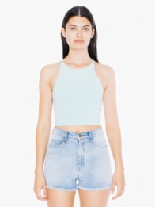
 | American Apparel
Kleur | AMA 8369 Top crop sleeveless for her | XS | S | M | L
HG-18Z | CG5 Heather Grey | 14 | 6 | 14 | 35
ME-826 | 2246 Menthe | 31 | 19 | 21 | 31 |  |  |  | TTL
 |  | 45 | 25 | 35 | 66 |  |  |  | 171

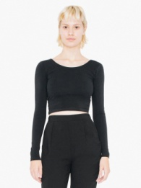
 | American Apparel
Kleur | AMA 8379 Top crop LS for her | XS | S | M | L
BK-Z36 | 6 Black | 35 | 34 | 33 | 36
HG-18Z | CG5 Heather Grey | 36 | 36 | 35 | 36
WH-Z00 | White | 35 | 36 | 36 | 36 |  |  |  | TTL
 |  | 106 | 106 | 104 | 108 |  |  |  | 424

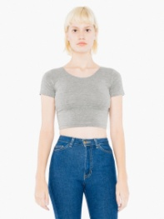

 | American Apparel
Kleur | AMA 8380 T-shirt crop for her | XS | S | M | L
HG-18Z | CG5 Heather Grey | 35 | 38 | 36 | 36 |  |  |  | TTL
 |  | 35 | 38 | 36 | 36 |  |  |  | 145

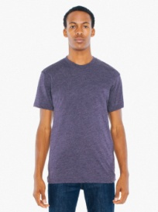

 | American Apparel
Kleur | AMBB401 T-shirt pol/cot for him | S | M | L | XL | XXL
HI-809 | 5265HeatherImperialPurple | 144 | 113 | 123 | 131 | 72
 | 127 Sunshine | 134 | 103 | 132 | 134 | 72 |  |  | TTL
 |  | 278 | 216 | 255 | 265 | 144 |  |  | 1158

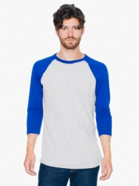
 | American Apparel
Kleur | AMBB453 T-shirt 3/4 raglan sleeve for him | XS | S | M | L | XL | XXL
HL-HR18Z | Heather grey/Lapis | 31 | 31 | 21 | 20 | 30 | 31
WL-HTZ00 | White/Heat. LakeBlue | 36 | 34 | 36 | 36 | 36 | 36 |  | TTL
 |  | 67 | 65 | 57 | 56 | 66 | 67 |  | 378

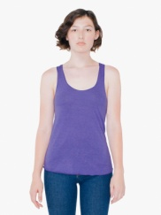
 | American Apparel
Kleur | AMTR308 Tanktop racerback tri-blend for her | XS | S | M | L
TO-860 | 2081 Tri-Orchid | 36 | 35 | 40 | 35 |  |  |  | TTL
 |  | 36 | 35 | 40 | 35 |  |  |  | 146

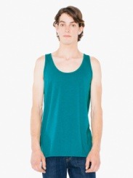
 | American Apparel
Kleur | AMTR408 Tanktop tri- blend for him | XS | S | M | L | XL
TE-855 | 2243 Tri-Evergreen | 36 | 36 | 34 | 29 | 36
TL-857 | 5555 Tri-Lemon | 35 | 34 | 36 | 36 | 36 |  |  | TTL
 |  | 71 | 70 | 70 | 65 | 72 |  |  | 348

 | Gildan
Kleur | GIL42400L Gildan T-shirt performance for her | XS | S | M | L | XL | XXL
GY-95H | CG7 Sports Grey | 31 | 61 | 48 | 50 | 63 | 35 |  | TTL
 |  | 31 | 61 | 48 | 50 | 63 | 35 |  | 288

 | Gildan
Kleur | GIL42700 Gildan sleeveless T-shirt | S | M | L | XL | XXL | 3XL
RD-40C | 7620 Red | 63 | 67 | 6 | 75 | 63 | 67
RB-51C | 7687 Royal Blue | 41 | 72 | 24 | 64 | 54 | 41 |  | TTL
 |  | 104 | 139 | 30 | 139 | 117 | 108 |  | 637

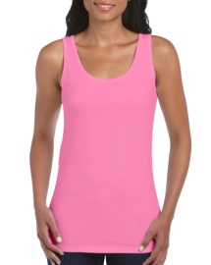
 | Gildan
Kleur | GIL64200L Gildan tanktop softstyle for her | S | M | L | XL | XXL
AZ-71C | 224 Azalea-30%korting | 26 | 42 | 45 | 22 | 47
GY-295H | CG7 Sport Grey | 1 | 0 | 0 | 0 | 0 |  |  | TTL
 |  | 27 | 42 | 45 | 22 | 47 |  |  | 183

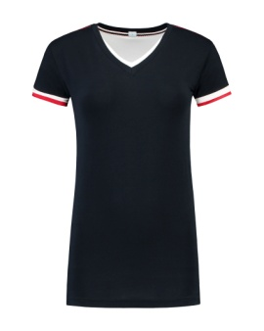
 | Lemon & Soda
Kleur | LEM1261 L&S T-shirt double V for her | S | M | L | XL | XXL
BK/WH | Black/WH | 66 | 64 | 73 | 113 | 74
DY/WH | Dark Navy/WH | 0 | 25 | 50 | 73 | 23
RD/WH | Red/WH | 19 | 25 | 35 | 115 | 45
RB/WH | Royal Blue/WH | 14 | 11 | 52 | 80 | 84
OR/WH | Orange/WH | 0 | 8 | 80 | 137 | 83
PG/WH | Pearl Grey/WH | 56 | 107 | 117 | 142 | 72
WH/DY | White/DY | 160 | 171 | 130 | 176 | 81 |  |  | TTL
 |  | 315 | 411 | 537 | 836 | 462 |  |  | 2561

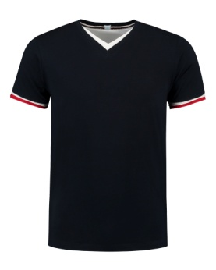
 | Lemon & Soda
Kleur | LEM1263 L&S T-shirt double-V for him | S | M | L | XL | XXL | 3XL
BK/WH | Black/WH | 110 | 43 | 96 | 126 | 94 | 41
DY/WH | Dark Navy/WH | 23 | 73 | 6 | 41 | 0 | 10
RD/WH | Red/WH | 53 | 38 | 58 | 31 | 25 | 62
OR/WH | Orange/WH | 56 | 82 | 0 | 90 | 0 | 57
WH/DY | White/DY | 57 | 108 | 113 | 82 | 50 | 53 |  | TTL
 |  | 299 | 344 | 273 | 370 | 169 | 223 |  | 1678

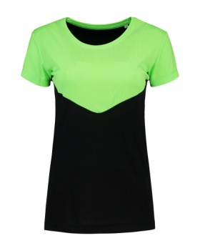
 | Lemon & Soda
Kleur | LEM6000 L&S T-shirt contrast SS for her | XS | S | M | L | XL
BK/GN | Black/Green | 75 | 109 | 111 | 87 | 66
BK/PN | Black/Pink Neon | 82 | 115 | 90 | 101 | 22
PG/OR | Pearl Grey/Orange | 80 | 105 | 128 | 93 | 66
PG/YN | Pearl Grey/Yel | 82 | 160 | 178 | 129 | 86
WH/BR | White/Bright RB | 82 | 126 | 176 | 98 | 85 |  |  | TTL
 |  | 401 | 615 | 683 | 508 | 325 |  |  | 2532

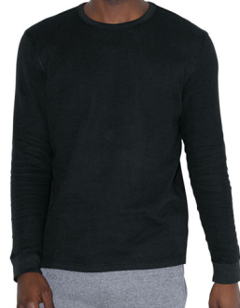
 | American Apparel
Kleur | AM9T407 T-shirt thermal LS unisex | XS | S | M | L | XL | XXL
BK-Z36 | 6 Black | 36 | 35 | 34 | 34 | 33 | 36
HG-18Z | CG5 Heather Grey | 36 | 36 | 36 | 36 | 36 | 0
NY-Z32 | 2767 Navy | 36 | 36 | 33 | 36 | 34 | 0
PE-841 | 7532C Pewter | 0 | 0 | 0 | 36 | 0 | 0
TR-865 | 1817 Truffle | 0 | 36 | 0 | 0 | 36 | 0
WH-Z00 | White | 36 | 36 | 34 | 36 | 36 | 36 |  | TTL
 |  | 144 | 179 | 137 | 178 | 175 | 72 |  | 885

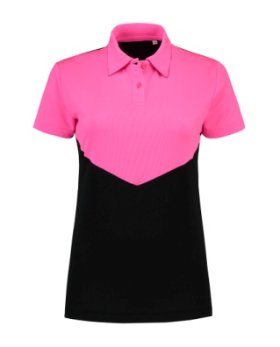
 | Lemon & Soda
Kleur | LEM6200 L&S Polo contrast SS for her | XS | S | M | L | XL
BK/GN | Black/Green | 70 | 164 | 230 | 169 | 98
BK/PN | Black/Pink | 58 | 99 | 89 | 13 | 58
PG/OR | Pearl Grey/Orange | 64 | 170 | 233 | 174 | 99
PG/YN | Pearl Grey/Yellow | 34 | 134 | 229 | 129 | 98
WH/BR | White/RB | 69 | 172 | 225 | 168 | 100 |  |  | TTL
 |  | 295 | 739 | 1006 | 653 | 453 |  |  | 3146

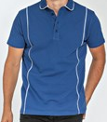
 | Lemon & Soda
Kleur | LEM3509 L&S polo piping SS for him | S | M | L | XL | XXL
BK/PG | Black/PG | 62 | 78 | 30 | 14 | 70
DY/WH | Dark Navy/WH | 83 | 118 | 81 | 19 | 84
LI/WH | Lime/White | 90 | 86 | 79 | 89 | 111
OR/WH | Orange/WH | 29 | 18 | 0 | 21 | 28
RB/WH | Royal Blue/WH | 66 | 19 | 0 | 6 | 24
RD/WH | Red/WH | 76 | 17 | 60 | 92 | 4
WH/DY | White/DY | 0 | 0 | 0 | 0 | 0 |  |  | TTL
 |  | 406 | 336 | 250 | 241 | 321 |  |  | 1554

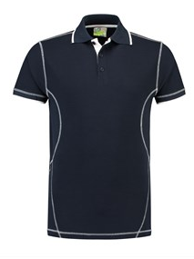

 | Lemon & Soda
Kleur | LEM3517 Polo flatlock for him | S | M | L | XL | XXL
DY/WH | 296C Dark Navy/WH | 0 | 0 | 41 | 18 | 41 |  |  | TTL
 |  | 0 | 0 | 41 | 18 | 41 |  |  | 100

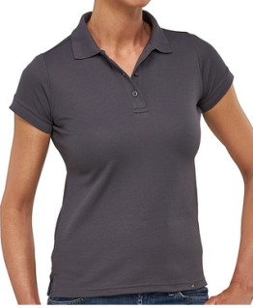

 | Macseis
Kleur | MS94010 Macseis polo flash for her | XS | S | M | L | XL | XXL
GR | MacGrey | 40 | 79 | 12 | 71 | 38 | 40 |  | TTL
 |  | 40 | 79 | 12 | 71 | 38 | 40 |  | 280

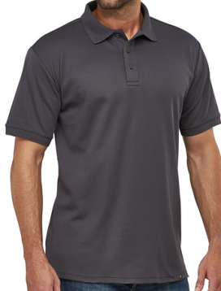

 | Macseis
Kleur | MS93010 Macseis polo flash for him | S | M | L | XL | XXL | XXXL | 4XL | 5XL
GR | MacGrey | 4 | 0 | 0 | 94 | 15 | 22 | 15 | 20 | TTL
 |  | 4 | 0 | 0 | 94 | 15 | 22 | 15 | 20 | 170

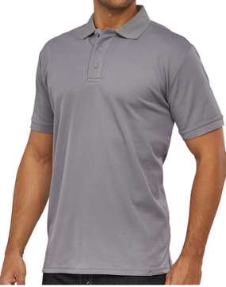

 | Macseis
Kleur | MS93006 Macseis polo flash for him | S | M | L | XL | XXL | XXXL | 4XL | 5XL
SG | Flash Stone Grey | 60 | 60 | 120 | 40 | 0 | 23 | 0 | 0 | TTL
 |  | 60 | 60 | 120 | 40 | 0 | 23 | 0 | 0 | 303

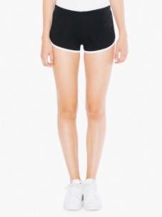
 | American Apparel
Kleur | AMA 7301 shorts Interlock for her | XS | S | M | L | XL
FS-HQ876 | Asphalt/Fuchsia | 70 | 72 | 72 | 71 | 72
WH-IE876 | Asphalt/White | 72 | 70 | 70 | 71 | 71
PK-HWZ36 | Black/Pink | 72 | 70 | 72 | 72 | 72
FW-IE898 | Forest/White | 72 | 71 | 72 | 71 | 72
KW-IEZ84 | Kelly Green/White | 72 | 70 | 72 | 72 | 72
RD-IGZ32 | Navy/Red | 72 | 72 | 72 | 72 | 72
TW-IEZ72 | Teal/White | 72 | 68 | 71 | 72 | 72
WH-Z00 | White | 71 | 72 | 71 | 72 | 72
WN-IHZ00 | White/Navy | 69 | 69 | 72 | 71 | 72 |  |  | TTL
 |  | 642 | 634 | 644 | 644 | 647 |  |  | 3211

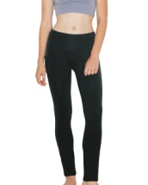

 | American Apparel
Kleur | AMA 8375 Pants yoga for her | XS | S | M | L
BK-Z36 | 6 Black | 33 | 32 | 16 | 67 |  |  |  | TTL
 |  | 33 | 32 | 16 | 67 |  |  |  | 148

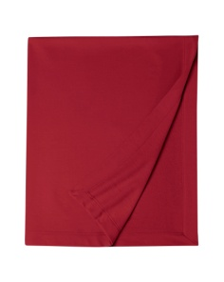
 | Gildan
Kleur | GIL12900 Gildan blanket dryblend | ONE SIZE
CD-11C | 202 Cardinal Red | 24 | 24
CB-109C | 659 Carolina Blue | 5 | 5
GA-219C | 219 Garnet | 0 | 0
GO-24C | 1235 Gold | 0 | 0
IG-167C | 167 Irish Green | 3 | 3
LP-20C | 685 Light Pink | 0 | 3
SG-188C | 382 Safety Green | 8 | 8
TEO-221C | 144Tennessee Orange | 13 | 13 |  |  |  |  |  | TTL
 |  |  |  |  |  |  |  |  | 56

 | Gildan
Kleur | GIL44S30 Gildan short performance | S | M | L | XL | XXL | 3XL
GY-95H | CG7 Sports Grey | 37 | 32 | 34 | 52 | 20 | 30 |  | TTL
 |  | 37 | 32 | 34 | 52 | 20 | 30 |  | 205

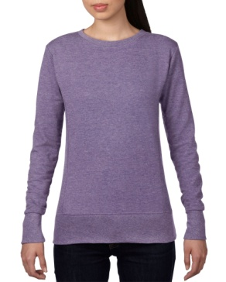
 | Anvil
Kleur | ANV72000L Anvil sweater crewneck for her | S | M | L | XL | XXL
BLA-036 | 426 Black | 12 | 0 | 7 | 14 | 16
HBU-321 | 7455 Heather Blue | 27 | 51 | 10 | 14 | 11
HDG-334 | 446 HeatherDarkGreyg | 12 | 3 | 4 | 14 | 10
HGH-322 | 7482 HeatherGreen | 19 | 34 | 14 | 5 | 19
HGY-346 | 422 Heather Grey | 25 | 23 | 3 | 27 | 9
HPR-232 | 668 Heather Purple | 11 | 0 | 20 | 21 | 12
NAV-032 | 533 Navy | 17 | 0 | 17 | 17 | 15
WHT-030 | 000 White | 67 | 49 | 61 | 13 | 13 |  |  | TTL
 |  | 190 | 160 | 136 | 125 | 105 |  |  | 716

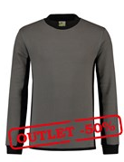
 | Lemon & Soda
Kleur | LEM4750 L&S workwear sweater | S | M | L | XL | XXL | 3XL | 4XL | 6XL
BK/PG | BK/PG | 32 | 0 | 0 | 0 | 0 | 0 | 5 | 0
DY/PG | DY/PG | 18 | 0 | 0 | 0 | 0 | 9 | 0 | 8
PG/BK | PG/BK | 0 | 0 | 0 | 0 | 7 | 0 | 3 | 4
WH/PG | WH/PG | 15 | 0 | 0 | 0 | 17 | 0 | 11 | 12 | TTL
 |  | 65 | 0 | 0 | 0 | 24 | 9 | 19 | 24 | 141

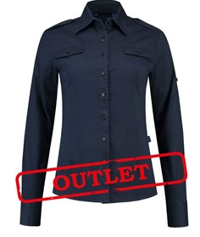

 | Lemon & Soda
Kleur | LEM3912 L&S shirt twill LS for her | S | M | L | XL | XXL
DY | Dark Navy | 6 | 24 | 12 | 16 | 26 |  |  | TTL
 |  | 6 | 24 | 12 | 16 | 26 |  |  | 84

 | Lemon & Soda
Kleur | LEM3986 L&S shirt poplin SS for her | S | M | L | XL | XXL
BK | Black | 58 | 60 | 66 | 52 | 35
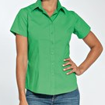
DY | Dark Navy | 27 | 58 | 60 | 26 | 41
KG | Kelly Green | 41 | 87 | 58 | 20 | 13
OR | Orange | 55 | 38 | 68 | 62 | 54
RD | Red | 19 | 38 | 40 | 11 | 13
TQ | Turquoise | 9 | 50 | 15 | 16 | 13
WH | White | 116 | 144 | 90 | 45 | 37
FU | Fuchsia | 24 | 17 | 5 | 0 | 0 |  |  | TTL
 |  | 349 | 492 | 402 | 232 | 206 |  |  | 1681

 | American Apparel
Kleur | AMA 8312 bodysuit cot/spandex for her | XS | S | M | L | XL
HG-18Z | CG5 Heather Grey | 36 | 36 | 34 | 36 | 35 |  |  | TTL
 |  | 36 | 36 | 34 | 36 | 35 |  |  | 177

 | American Apparel
Kleur | AMA 8357 Bodysuit cot/spandex LS for her | XS | S | M | L | XL
HG-18Z | CG5 Heather Grey | 36 | 36 | 36 | 36 | 36 |  |  | TTL
 |  | 36 | 36 | 36 | 36 | 36 |  |  | 180

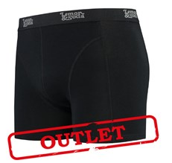

 | Lemon & Soda
Kleur | LEM91400 L&S underwear boxershort | S | M | L | XL | XXL
BK | Black | 60 | 30 | 0 | 0 | 23 |  |  | TTL
 |  | 60 | 30 | 0 | 0 | 23 |  |  | 113

 |  |  |  |  |  |  |  | Stuks: | 25,109

